Torrus
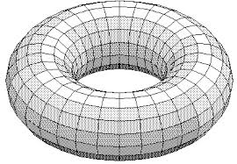

*A wrap around rectangle map forms the geomtric shape of a torrus
*post apple II games used complex mathematical formulas map the on screen tiles to array elements so that a torrus a simulated.

